Sheet1
Image | Style | Size | Color | Coast | QTY | CS Qty | Style Desc | Brand | Gender | Normal Retail | Packaging | Size Range | PPK Breakdown | Display
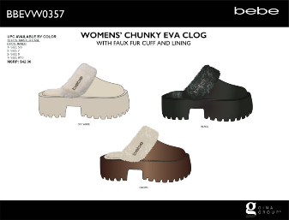 | BBEVW0357 | PPK | BRWN | West | 2088 | 24 | BEBE WOMENS EVA PLATFORM CLOG WITH FAUX FUR AND BEBE RHINESTONE RIVET | BEBE | LADIES | $19.99 | Polybag | 5/6-7-8-9/10 | 1-2-2-1 | Hanger
 | BBEVW0357 | PPK | OWHT | West | 2040 | 24 | BEBE WOMENS EVA PLATFORM CLOG WITH FAUX FUR AND BEBE RHINESTONE RIVET | BEBE | LADIES | $19.99 | Polybag | 5/6-7-8-9/10 | 1-2-2-1 | Hanger
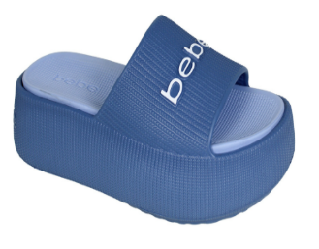 | BBEVW0377 | PPK | BL | West | 1176 | 12 | BEBE WOMENS PLATFORM EVA SLIDE - PUFFY | BEBE | LADIES | $17.99 | Polybag | 6-7-8-9-10 | 2-3-3-3-1 | Hanger
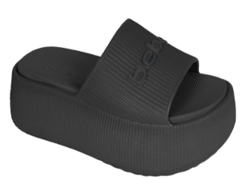 | BBEVW0377 | PPK | BLACK | West | 528 | 12 | BEBE WOMENS PLATFORM EVA SLIDE - PUFFY | BEBE | LADIES | $17.99 | Polybag | 6-7-8-9-10 | 2-3-3-3-1 | Hanger
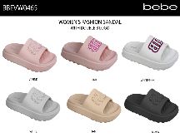 | BBEVW0465 | PPK | BKPN | West | 1104 | 12 | SP25 BEBE WOWEN'S EVA SLIDE WITH DOUBLE B RUBBER PATCH | BEBE | LADIES | $16.99 | Polybag | 6-7-8-9-10 | 2-3-3-3-1 | Hanger
 | BBEVW0465 | PPK | BLACK | West | 2400 | 12 | SP25 BEBE WOWEN'S EVA SLIDE WITH DOUBLE B RUBBER PATCH | BEBE | LADIES | $16.99 | Polybag | 6-7-8-9-10 | 2-3-3-3-1 | Hanger
 | BBEVW0465 | PPK | BLUMU | West | 2400 | 12 | SP25 BEBE WOWEN'S EVA SLIDE WITH DOUBLE B RUBBER PATCH | BEBE | LADIES | $16.99 | Polybag | 6-7-8-9-10 | 2-3-3-3-1 | Hanger
 | BBEVW0465 | PPK | BLUSH | West | 4260 | 12 | SP25 BEBE WOWEN'S EVA SLIDE WITH DOUBLE B RUBBER PATCH | BEBE | LADIES | $16.99 | Polybag | 6-7-8-9-10 | 2-3-3-3-1 | Hanger
 | BBEVW0465 | PPK | CML | West | 3000 | 12 | SP25 BEBE WOWEN'S EVA SLIDE WITH DOUBLE B RUBBER PATCH | BEBE | LADIES | $16.99 | Polybag | 6-7-8-9-10 | 2-3-3-3-1 | Hanger
 | BBEVW0465 | PPK | NTRL | West | 3600 | 12 | SP25 BEBE WOWEN'S EVA SLIDE WITH DOUBLE B RUBBER PATCH | BEBE | LADIES | $16.99 | Polybag | 6-7-8-9-10 | 2-3-3-3-1 | Hanger
 | BBEVW0465 | PPK | TAU | West | 1236 | 12 | SP25 BEBE WOWEN'S EVA SLIDE WITH DOUBLE B RUBBER PATCH | BEBE | LADIES | $16.99 | Polybag | 6-7-8-9-10 | 2-3-3-3-1 | Hanger
 | BBEVW0465 | PPK | WHT | West | 2448 | 12 | SP25 BEBE WOWEN'S EVA SLIDE WITH DOUBLE B RUBBER PATCH | BEBE | LADIES | $16.99 | Polybag | 6-7-8-9-10 | 2-3-3-3-1 | Hanger
 | BBEVW0465 | PPK | BLACK | West | 1080 | 12 | SP25 BEBE WOWEN'S EVA SLIDE WITH DOUBLE B RUBBER PATCH | BEBE | LADIES | $16.99 | Polybag | 6-7-8-9-10 | 2-3-3-3-1 | Hanger
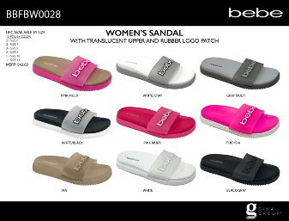 | BBFBW0028 | PPK | BKGRY | West | 4164 | 12 | WOMEN’S SANDAL WITH TRANSLUCENT UPPER AND RUBBER LOGO PATCH | BEBE | LADIES | $19.99 | Polybag | 6-7-8-9-10-11 | 2-3-3-2-1-1 | Hanger
 | BBFBW0028 | PPK | FU | West | 2664 | 12 | WOMEN’S SANDAL WITH TRANSLUCENT UPPER AND RUBBER LOGO PATCH | BEBE | LADIES | $19.99 | Polybag | 6-7-8-9-10-11 | 2-3-3-2-1-1 | Hanger
 | BBFBW0028 | PPK | FUMLT | West | 2676 | 12 | WOMEN’S SANDAL WITH TRANSLUCENT UPPER AND RUBBER LOGO PATCH | BEBE | LADIES | $19.99 | Polybag | 6-7-8-9-10-11 | 2-3-3-2-1-1 | Hanger
 | BBFBW0028 | PPK | PNKML | West | 3552 | 12 | WOMEN’S SANDAL WITH TRANSLUCENT UPPER AND RUBBER LOGO PATCH | BEBE | LADIES | $19.99 | Polybag | 6-7-8-9-10-11 | 2-3-3-2-1-1 | Hanger
 | BBFBW0028 | PPK | TAN | West | 1476 | 12 | WOMEN’S SANDAL WITH TRANSLUCENT UPPER AND RUBBER LOGO PATCH | BEBE | LADIES | $19.99 | Polybag | 6-7-8-9-10-11 | 2-3-3-2-1-1 | Hanger
 | BBFBW0028 | PPK | WHT | West | 2436 | 12 | WOMEN’S SANDAL WITH TRANSLUCENT UPPER AND RUBBER LOGO PATCH | BEBE | LADIES | $19.99 | Polybag | 6-7-8-9-10-11 | 2-3-3-2-1-1 | Hanger
 | BBFBW0028 | PPK | WHTBK | West | 6312 | 12 | WOMEN’S SANDAL WITH TRANSLUCENT UPPER AND RUBBER LOGO PATCH | BEBE | LADIES | $19.99 | Polybag | 6-7-8-9-10-11 | 2-3-3-2-1-1 | Hanger
 | BBFBW0028 | PPK | WHTGY | West | 1164 | 12 | WOMEN’S SANDAL WITH TRANSLUCENT UPPER AND RUBBER LOGO PATCH | BEBE | LADIES | $19.99 | Polybag | 6-7-8-9-10-11 | 2-3-3-2-1-1 | Hanger
 | BBSAW0249 | PPK | BLACK | West | 3444 | 12 | WOMENS’ FASHION SANDAL WITH RUBBER BEBE LOGO | BEBE | LADIES | $19.99 | Polybag | 6-7-8-9-10-11 | 2-3-3-2-1-1 | Polybag + Hangtag
 | BBSAW0249 | PPK | BLUSH | West | 1788 | 12 | WOMENS’ FASHION SANDAL WITH RUBBER BEBE LOGO | BEBE | LADIES | $19.99 | Polybag | 6-7-8-9-10-11 | 2-3-3-2-1-1 | Polybag + Hangtag
 | BBSAW0249 | PPK | FUMLT | West | 2988 | 12 | WOMENS’ FASHION SANDAL WITH RUBBER BEBE LOGO | BEBE | LADIES | $19.99 | Polybag | 6-7-8-9-10-11 | 2-3-3-2-1-1 | Polybag + Hangtag
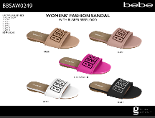 | BBSAW0249 | PPK | NUDE | West | 2928 | 12 | WOMENS’ FASHION SANDAL WITH RUBBER BEBE LOGO | BEBE | LADIES | $19.99 | Polybag | 6-7-8-9-10-11 | 2-3-3-2-1-1 | Polybag + Hangtag
 | BBSAW0249 | PPK | WHT | West | 3108 | 12 | WOMENS’ FASHION SANDAL WITH RUBBER BEBE LOGO | BEBE | LADIES | $19.99 | Polybag | 6-7-8-9-10-11 | 2-3-3-2-1-1 | Polybag + Hangtag
 | BBSAW0249 | PPK | BLACK | West | 1944 | 12 | WOMENS’ FASHION SANDAL WITH RUBBER BEBE LOGO | BEBE | LADIES | $19.99 | Polybag | 6-7-8-9-10-11 | 2-3-3-2-1-1 | Polybag + Hangtag
 |  |  |  |  | 68004

